Electrico
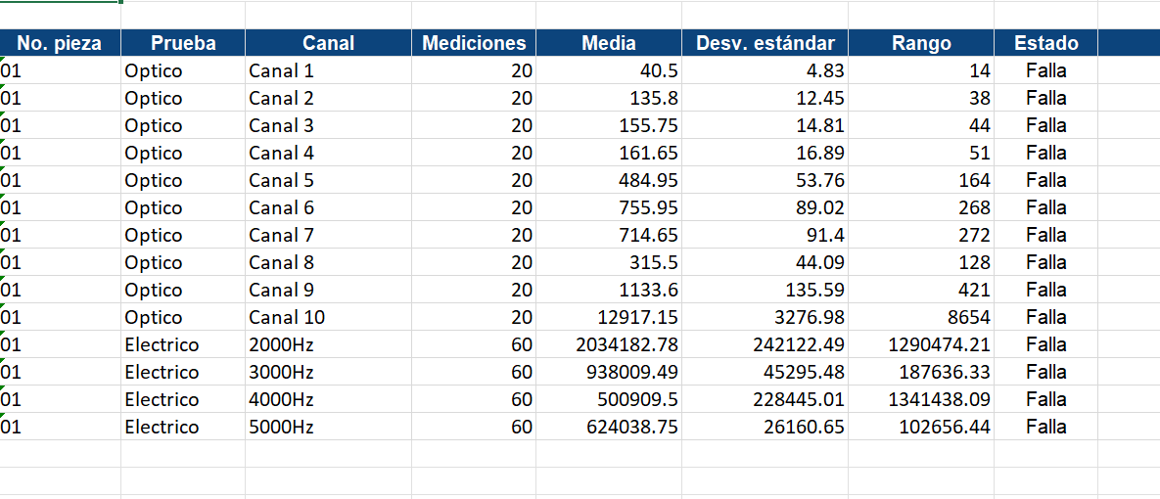
Test |  |  |  | Test |  |  |  | Test |  |  |  | Test
Batch |  |  |  | Batch |  |  |  | Batch |  |  |  | Batch
Equipment number |  |  |  | Equipment number |  |  |  | Equipment number |  |  |  | Equipment number
Processing electronics Card |  |  | 13 | Processing electronics Card |  |  | 13 | Processing electronics Card |  |  | 13 | Processing electronics Card |  |  | 13
Optical electronics Card |  |  |  | Optical electronics Card |  |  |  | Optical electronics Card |  |  |  | Optical electronics Card
Communications electronics Card |  |  | 00:1E:C0:3B:F5:9D | Communications electronics Card |  |  | 00:1E:C0:3B:F5:9D | Communications electronics Card |  |  | 00:1E:C0:3B:F5:9D | Communications electronics Card |  |  | 00:1E:C0:3B:F5:9D

Test date |  |  | 2026/03/19 | Test date |  |  | 2026/03/19 | Test date |  |  | 2026/03/19 | Test date |  |  | 2026/03/19
Test responsible |  |  | Marco Ramírez | Test responsible |  |  | Marco Ramírez | Test responsible |  |  | Marco Ramírez | Test responsible |  |  | Marco Ramírez
Test Standard Operating Procedure |  |  | Por definir | Test Standard Operating Procedure |  |  | Por definir | Test Standard Operating Procedure |  |  | Por definir | Test Standard Operating Procedure |  |  | Por definir

# Measurement | Contact Electrode | Frequency | Impedance | # Measurement | Contact Electrode | Frequency | Impedance | # Measurement | Contact Electrode | Frequency | Impedance | # Measurement | Contact Electrode | Frequency | Impedance
1 | A - B | 2000 | 2291560 | 1 | A - B | 3000 | 921154 | 1 | A - B | 4000 | 456678 | 1 | A - B | 5000 | 611416
1 | B - C | 2000 | 1882931 | 1 | B - C | 3000 | 943722 | 1 | B - C | 4000 | 572721 | 1 | B - C | 5000 | 624120
1 | C - A | 2000 | 2023088 | 1 | C - A | 3000 | 952914 | 1 | C - A | 4000 | 636721 | 1 | C - A | 5000 | 658162
2 | A - B | 2000 | 2181179 | 2 | A - B | 3000 | 1040645 | 2 | A - B | 4000 | 327650 | 2 | A - B | 5000 | 598108
2 | B - C | 2000 | 1809505 | 2 | B - C | 3000 | 901444 | 2 | B - C | 4000 | 421036 | 2 | B - C | 5000 | 637417
2 | C - A | 2000 | 2023088 | 2 | C - A | 3000 | 925396 | 2 | C - A | 4000 | 722613 | 2 | C - A | 5000 | 664395
3 | A - B | 2000 | 2181179 | 3 | A - B | 3000 | 921154 | 3 | A - B | 4000 | 325151 | 3 | A - B | 5000 | 624120
3 | B - C | 2000 | 2181179 | 3 | B - C | 3000 | 943722 | 3 | B - C | 4000 | 510366 | 3 | B - C | 5000 | 619584
3 | C - A | 2000 | 1882931 | 3 | C - A | 3000 | 925396 | 3 | C - A | 4000 | 584553 | 3 | C - A | 5000 | 648151
4 | A - B | 2000 | 2181179 | 4 | A - B | 3000 | 1006927 | 4 | A - B | 4000 | 464668 | 4 | A - B | 5000 | 674087
4 | B - C | 2000 | 1809505 | 4 | B - C | 3000 | 898824 | 4 | B - C | 4000 | 667312 | 4 | B - C | 5000 | 616404
4 | C - A | 2000 | 1809505 | 4 | C - A | 3000 | 898824 | 4 | C - A | 4000 | 1660001 | 4 | C - A | 5000 | 611211
5 | A - B | 2000 | 2023088 | 5 | A - B | 3000 | 952914 | 5 | A - B | 4000 | 379449 | 5 | A - B | 5000 | 658931
5 | B - C | 2000 | 1842308 | 5 | B - C | 3000 | 949821 | 5 | B - C | 4000 | 426156 | 5 | B - C | 5000 | 616404
5 | C - A | 2000 | 1758522 | 5 | C - A | 3000 | 901444 | 5 | C - A | 4000 | 823403 | 5 | C - A | 5000 | 624120
6 | A - B | 2000 | 2926358 | 6 | A - B | 3000 | 943722 | 6 | A - B | 4000 | 689749 | 6 | A - B | 5000 | 616404
6 | B - C | 2000 | 2259805 | 6 | B - C | 3000 | 853009 | 6 | B - C | 4000 | 322467 | 6 | B - C | 5000 | 614103
6 | C - A | 2000 | 1932818 | 6 | C - A | 3000 | 949821 | 6 | C - A | 4000 | 385376 | 6 | C - A | 5000 | 648886
7 | A - B | 2000 | 2023088 | 7 | A - B | 3000 | 949821 | 7 | A - B | 4000 | 1055113 | 7 | A - B | 5000 | 601793
7 | B - C | 2000 | 1734596 | 7 | B - C | 3000 | 921154 | 7 | B - C | 4000 | 342504 | 7 | B - C | 5000 | 639521
7 | C - A | 2000 | 2181179 | 7 | C - A | 3000 | 901444 | 7 | C - A | 4000 | 406415 | 7 | C - A | 5000 | 574757
8 | A - B | 2000 | 2291560 | 8 | A - B | 3000 | 876829 | 8 | A - B | 4000 | 362927 | 8 | A - B | 5000 | 578199
8 | B - C | 2000 | 1882931 | 8 | B - C | 3000 | 925396 | 8 | B - C | 4000 | 333790 | 8 | B - C | 5000 | 658931
8 | C - A | 2000 | 1932818 | 8 | C - A | 3000 | 914212 | 8 | C - A | 4000 | 341534 | 8 | C - A | 5000 | 616404
9 | A - B | 2000 | 2181179 | 9 | A - B | 3000 | 914212 | 9 | A - B | 4000 | 431252 | 9 | A - B | 5000 | 601793
9 | B - C | 2000 | 1698265 | 9 | B - C | 3000 | 921154 | 9 | B - C | 4000 | 329916 | 9 | B - C | 5000 | 654354
9 | C - A | 2000 | 2110227 | 9 | C - A | 3000 | 949821 | 9 | C - A | 4000 | 350926 | 9 | C - A | 5000 | 594867
10 | A - B | 2000 | 2291560 | 10 | A - B | 3000 | 943722 | 10 | A - B | 4000 | 975453 | 10 | A - B | 5000 | 658931
10 | B - C | 2000 | 1809505 | 10 | B - C | 3000 | 893651 | 10 | B - C | 4000 | 318563 | 10 | B - C | 5000 | 611416
10 | C - A | 2000 | 2023088 | 10 | C - A | 3000 | 949821 | 10 | C - A | 4000 | 439021 | 10 | C - A | 5000 | 624120
11 | A - B | 2000 | 2023088 | 11 | A - B | 3000 | 974620 | 11 | A - B | 4000 | 596385 | 11 | A - B | 5000 | 603168
11 | B - C | 2000 | 1809505 | 11 | B - C | 3000 | 855248 | 11 | B - C | 4000 | 327555 | 11 | B - C | 5000 | 637417
11 | C - A | 2000 | 1635884 | 11 | C - A | 3000 | 979648 | 11 | C - A | 4000 | 361773 | 11 | C - A | 5000 | 664395
12 | A - B | 2000 | 2181179 | 12 | A - B | 3000 | 925396 | 12 | A - B | 4000 | 552272 | 12 | A - B | 5000 | 634185
12 | B - C | 2000 | 1734596 | 12 | B - C | 3000 | 921154 | 12 | B - C | 4000 | 331116 | 12 | B - C | 5000 | 605747
12 | C - A | 2000 | 2500859 | 12 | C - A | 3000 | 926823 | 12 | C - A | 4000 | 324076 | 12 | C - A | 5000 | 677413
13 | A - B | 2000 | 2291560 | 13 | A - B | 3000 | 974620 | 13 | A - B | 4000 | 455570 | 13 | A - B | 5000 | 589826
13 | B - C | 2000 | 1882931 | 13 | B - C | 3000 | 925396 | 13 | B - C | 4000 | 327177 | 13 | B - C | 5000 | 662559
13 | C - A | 2000 | 1734596 | 13 | C - A | 3000 | 876829 | 13 | C - A | 4000 | 325770 | 13 | C - A | 5000 | 603168
14 | A - B | 2000 | 2291560 | 14 | A - B | 3000 | 886056 | 14 | A - B | 4000 | 481090 | 14 | A - B | 5000 | 637417
14 | B - C | 2000 | 1809505 | 14 | B - C | 3000 | 893651 | 14 | B - C | 4000 | 367522 | 14 | B - C | 5000 | 616404
14 | C - A | 2000 | 2291560 | 14 | C - A | 3000 | 1034624 | 14 | C - A | 4000 | 325274 | 14 | C - A | 5000 | 637417
15 | A - B | 2000 | 2023088 | 15 | A - B | 3000 | 966409 | 15 | A - B | 4000 | 692716 | 15 | A - B | 5000 | 589826
15 | B - C | 2000 | 2069248 | 15 | B - C | 3000 | 853009 | 15 | B - C | 4000 | 641172 | 15 | B - C | 5000 | 644273
15 | C - A | 2000 | 1842308 | 15 | C - A | 3000 | 952914 | 15 | C - A | 4000 | 327555 | 15 | C - A | 5000 | 603168
16 | A - B | 2000 | 2395512 | 16 | A - B | 3000 | 1040645 | 16 | A - B | 4000 | 583301 | 16 | A - B | 5000 | 603168
16 | B - C | 2000 | 1814850 | 16 | B - C | 3000 | 925396 | 16 | B - C | 4000 | 859208 | 16 | B - C | 5000 | 614103
16 | C - A | 2000 | 1952575 | 16 | C - A | 3000 | 1006927 | 16 | C - A | 4000 | 327681 | 16 | C - A | 5000 | 630101
17 | A - B | 2000 | 2181179 | 17 | A - B | 3000 | 898824 | 17 | A - B | 4000 | 589642 | 17 | A - B | 5000 | 654354
17 | B - C | 2000 | 1952575 | 17 | B - C | 3000 | 949821 | 17 | B - C | 4000 | 634874 | 17 | B - C | 5000 | 589826
17 | C - A | 2000 | 2291560 | 17 | C - A | 3000 | 999670 | 17 | C - A | 4000 | 340643 | 17 | C - A | 5000 | 648151
18 | A - B | 2000 | 2291560 | 18 | A - B | 3000 | 979648 | 18 | A - B | 4000 | 548527 | 18 | A - B | 5000 | 601793
18 | B - C | 2000 | 1882931 | 18 | B - C | 3000 | 943722 | 18 | B - C | 4000 | 388867 | 18 | B - C | 5000 | 644273
18 | C - A | 2000 | 1882931 | 18 | C - A | 3000 | 898824 | 18 | C - A | 4000 | 582589 | 18 | C - A | 5000 | 582589
19 | A - B | 2000 | 2110227 | 19 | A - B | 3000 | 999670 | 19 | A - B | 4000 | 521083 | 19 | A - B | 5000 | 592424
19 | B - C | 2000 | 1952575 | 19 | B - C | 3000 | 921154 | 19 | B - C | 4000 | 384301 | 19 | B - C | 5000 | 644273
19 | C - A | 2000 | 2291560 | 19 | C - A | 3000 | 1034624 | 19 | C - A | 4000 | 360084 | 19 | C - A | 5000 | 598685
20 | A - B | 2000 | 2291560 | 20 | A - B | 3000 | 934791 | 20 | A - B | 4000 | 519691 | 20 | A - B | 5000 | 586536
20 | B - C | 2000 | 1842308 | 20 | B - C | 3000 | 901444 | 20 | B - C | 4000 | 566088 | 20 | B - C | 5000 | 648151
20 | C - A | 2000 | 1635884 | 20 | C - A | 3000 | 1006927 | 20 | C - A | 4000 | 347483 | 20 | C - A | 5000 | 616404
 |  | promedio | 2034183 |  |  | promedio | 938009 |  |  | promedio | 500909 |  |  | promedio | 624039
 |  | desviación estandar | 242122.48984 |  |  | desviación estandar | 45295.482812 |  |  | desviación estandar | 228445.01306 |  |  | desviación estandar | 26160.645661
 |  | rango | 1290474 |  |  | rango | 187636 |  |  | rango | 1341438 |  |  | rango | 102656
 |  |  | 122050966.573

